Architecture
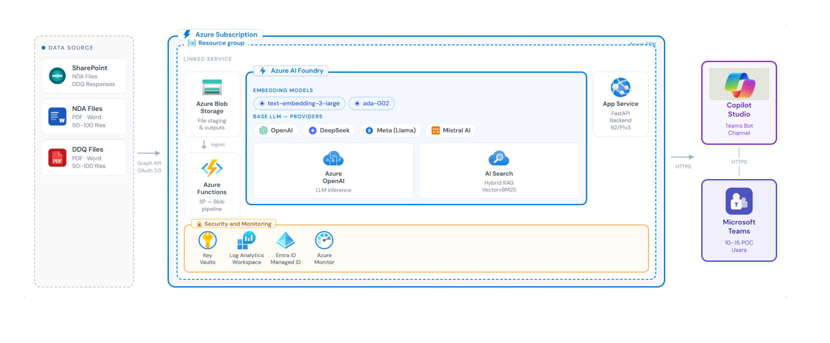

NDA Reviewer Agent
Legal & HR Team · Upload NDA (PDF/Word) via Teams → AI compares each clause against Charter House standard positions → Word output with track changes + issues summary page

LP Questionnaire Engine (DDQ Agent)
Investor Relations · Upload DDQ (PDF/Word) via Teams → RAG retrieves best historical answers → AI rewrites in Charter House house style → draft Q&A doc with source traceability

